Resources Allocation
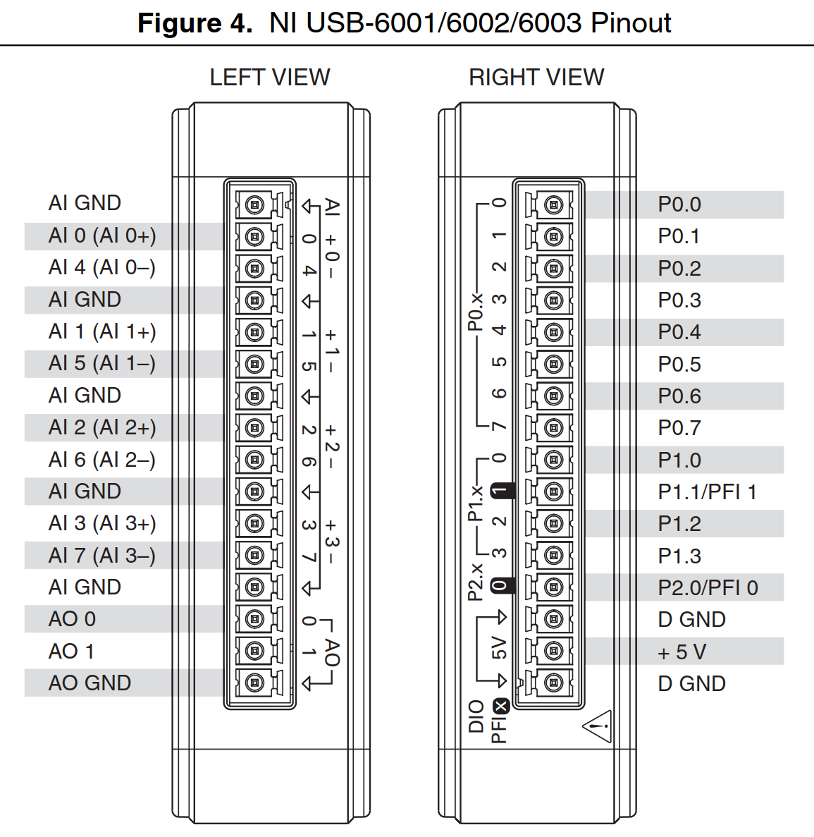
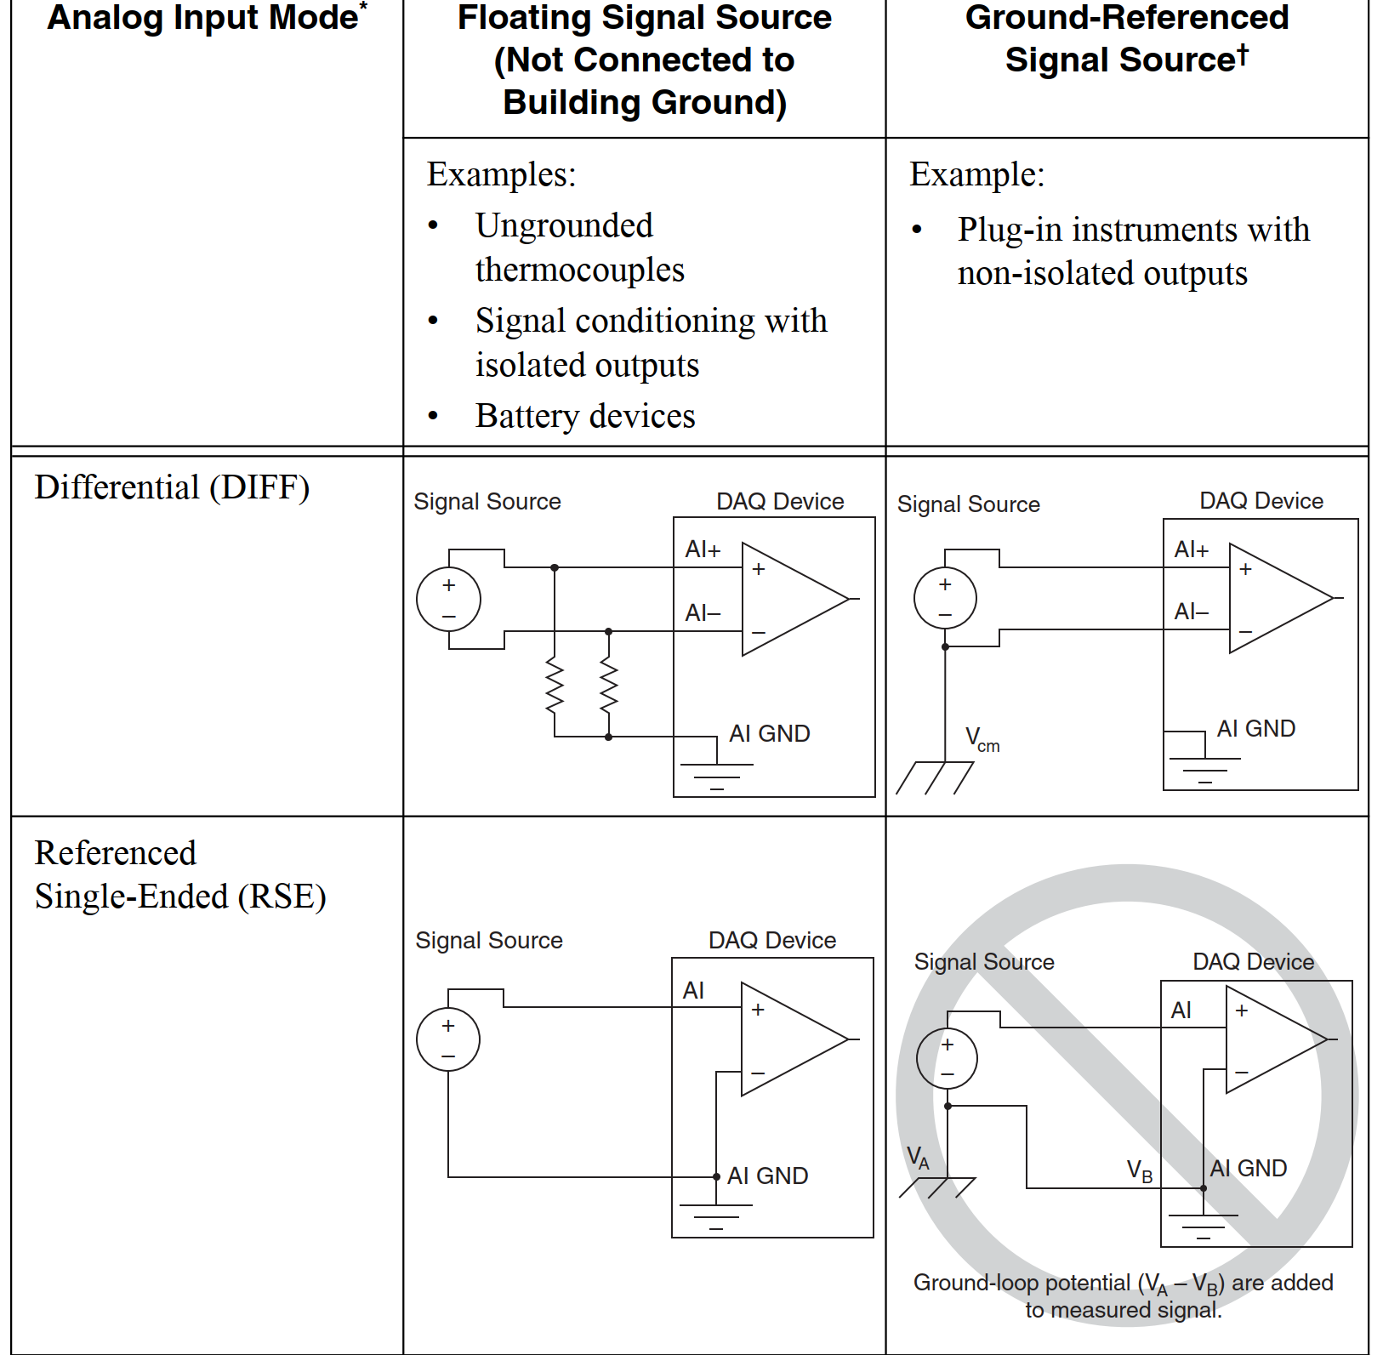
Module | Resource | Connector | Pin | Signal | ATE Connector | Pin | Destination | Connector | Pin | Comments
DAQ #1 | Analog IN | Left | AI-GND | GND | X3
 |  |  | AI.0 | 5VDC | X3 | 20 | UUT
 |  |  | AI.4 | 5VDC_CAN; 5VDC_USB | X3; 5V_Load | 18; 19; 9; 40; 41; 60; 61 ; 62 | UUT
 |  |  | AI-GND | GND | HV PS GND
 |  |  | AI.1 | HV Voltage (48VDC) | HV PS |  | HV Power Supply |  |  | Require conversion circuit (voltage divider might not suffice)
 |  |  | AI.5 | Ambient Temperature | X5 |  | Ambient temp sensor |  |  | Thermistor, use 5V from PS/DAQ
 |  |  | AI-GND | GND | X5
 |  |  | AI.2 | Temp Sensor 1 | X5 |  |  |  |  | Reserved for EOL/Functional tester temp measurements Thermistor, use 5V from PS/DAQ
 |  |  | AI.6 | Temp Sensor 2 | X5 |  |  |  |  | Reserved for EOL/Functional tester temp measurements Thermistor, use 5V from PS/DAQ
 |  |  | AI-GND |  | X5
 |  |  | AI.3 | Temp Sensor 3 | X5 |  |  |  |  | Reserved for EOL/Functional tester temp measurements Thermistor, use 5V from PS/DAQ
 |  |  | AI.7 | Temp Sensor 4 | X5 |  |  |  |  | Reserved for EOL/Functional tester temp measurements Thermistor, use 5V from PS/DAQ

 | Analog OUT |  | AO.0 | Analog 1 | X3 | 13
 |  |  | AO.1 | Analog 2 (Throttle) | X3 | 34
 |  |  | AO-GND | GND | X3
 | Digital IN/OUT | Right | P0.0 | Digital IN 1 | X3 | 6
 |  |  | P0.1 | Digital IN 2 | X3 | 7
 |  |  | P0.2 | Digital IN 3 | X3 | 8
 |  |  | P0.3 | Digital IN 4 | X3 | 27
 |  |  | P0.4 | Digital IN 5 | X3 | 28
 |  |  | P0.5 | Digital IN 6 | X3 | 29
 |  |  | P0.6 | Digital IN 7 | X3 | 48
 |  |  | P0.7 | Digital IN 8 | X3 | 49
 |  |  | P1.0 | Digital IN 9 | X3 | 50
 |  |  | P1.1 | Digital OUT 1 | X3 | 9 |  |  |  | Require pull-up resistor
 |  |  | P1.2 | Digital OUT 2 | X3 | 30 |  |  |  | Require pull-up resistor
 |  |  | P1.3 | Digital OUT 3 | X3 | 51 |  |  |  | Require pull-up resistor
 |  |  | P2.0
 |  |  | D-GND |  | X3
DAQ #2 | Analog IN | Left | AI-GND
 |  |  | AI.0 | Phase U Current (+) | X8 |  |  |  |  | Via parallel resistor between Current Sensort and PS common (GND)
 |  |  | AI.4 | Phase U Current (-) | X8
 |  |  | AI-GND
 |  |  | AI.1 | Phase V Current (+) | X8 |  |  |  |  | Via parallel resistor between Current Sensort and PS common (GND)
 |  |  | AI.5 | Phase V Current (-) | X8
 |  |  | AI-GND
 |  |  | AI.2 | BUS Current (+) | X8 |  |  |  |  | Via parallel resistor between Current Sensort and PS common (GND)
 |  |  | AI.6 | BUS Current (-) | X8
 |  |  | AI-GND
 |  |  | AI.3
 |  |  | AI.7
 | Analog OUT |  | AO.0 | Analog 3 (motor temp) | X3 | 55
 |  |  | AO.1
 |  |  | AO-GND | GND | X3
 | Digital IN/OUT | Right | P0.0 | ATE Config 0 | X3 | 15 |  |  |  | Functional tester / EOL config (Dynamic, Hi-Dynamic, etc.)
 |  |  | P0.1 | ATE Config 1 | X3 | 16
 |  |  | P0.2 | ATE Config 2 | X3 | 36
 |  |  | P0.3 | ATE Config 3 | X3 | 37
 |  |  | P0.4 | Hall A | X3 | 10
 |  |  | P0.5 | Hall B | X3 | 31
 |  |  | P0.6 | Hall C | X3 | 52
 |  |  | P0.7 | PS ON/OFF |  |  |  |  |  | moved to the GPIO
 |  |  | P1.0 | 5VDC_Load ON/OFF |  |  |  |  |  | moved to the GPIO
 |  |  | P1.1 | HVIL 1 (OUT) | X3 | 11
 |  |  | P1.2 | HVIL 2 (IN) | X3 | 32
 |  |  | P1.3
 |  |  | P2.0
 |  |  | D-GND |  | X3
CAN #1 | CAN H |  |  |  | X3 | 1
 | CAN L |  |  |  | X3 | 22
 | GND |  |  |  | X3 | 43

CAN #2 | CAN H |  |  |  | X3 | 2
 | CAN L |  |  |  | X3 | 23
 | GND |  |  |  | X3 | 44

CAN #3 | CAN H |  |  |  | X6
 | CAN L |  |  |  | X6
 | GND |  |  |  | X6

RS232 | TX |  |  |  | X3 | 3
 | RX |  |  |  | X3 | 24
 | GND |  |  |  | X3 | 45

RS232-TTL | TX |  |  |  | X3 | 4
 | RX |  |  |  | X3 | 25
 | GND |  |  |  | X3 | 46

RS485 | Data P |  |  |  | X3 | 5
 | Data N |  |  |  | X3 | 26
 | GND |  |  |  | X3 | 47
HV Power Supply

Aux Power Supply

Programmer

Load Module

